Content
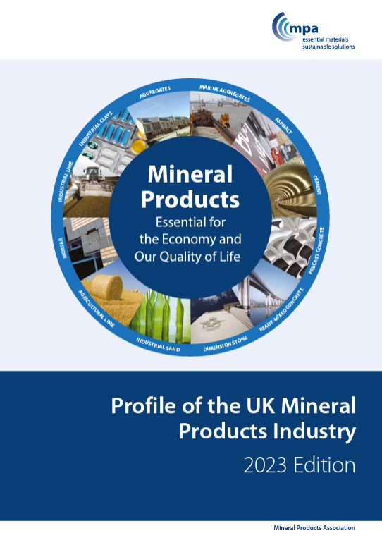
Profile of the UK Mineral Products Industry
2023 Edition

Statistical Workbook

Section 1. | The Mineral Products Industry at a Glance |  | Link

Section 2. | An Essential Industry
 | A | Mineral and mineral products supply | Link
 | B | Contribution to the economy | Link
 | C | Employment and productivity | Link

Section 3. | Mineral Products Profiles
 | A | Construction Aggregates | Link
 | B | Cementitious | Link
 | C | Ready-mixed concrete | Link
 | D | Precast concrete | Link
 | E | Asphalt | Link
 | F | Mortar | Link
 | G | Lime | Link
 | H | Dimension stone | Link
 | I | Industrial sand | Link
 | J | Industrial clays | Link

Section 4. | Long-Term Aggregates Supply |  | Link

Section 5. | Industry Taxation |  | Link

Section 6. | Environment and Sustainability
 | A | Recycling and the use of secondary aggregates | Link
 | B | Resource efficiency | Link
 | C | Net zero and climate adaptation | Link
 | D | Nature recovery
 | E | Sustainable development across the Mineral Products Industry

References |  |  | Link

Contact: Aurelie Delannoy, Director of Economic Affairs
aurelie.delannoy@mineralproducts.org

2.B
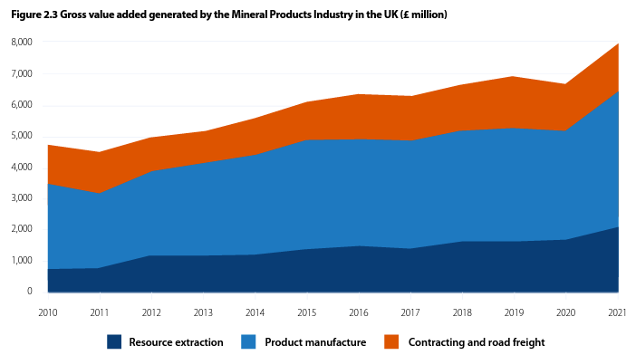
Sheet content: | Table 2.B1 - Estimated (a) gross value added and turnover generated by the Mineral Products Industry and its supply chain (UK, £ million)
↓

Table 2.B1 - Estimated (a) gross value added and turnover generated by the Mineral Products Industry and its supply chain (UK, £ million)

 | 2010 | 2011 | 2012 | 2013 | 2014 | 2015 | 2016 | 2017 | 2018 | 2019 | 2020 | 2021
Resource Extraction | 783 | 850 | 1,215 | 1,200 | 1,224 | 1,395 | 1,497 | 1,418 | 1,640 | 1,663 | 1,716 | 2,116
Rock (igneous rock, limestone & dolomite, sandstone) | 300 | 179 | 390 | 500 | 587 | 700 | 710 | 738 | 853 | 883 | 736 | 1,105
Sand & gravel, China clay, Ball clay | 482 | 664 | 819 | 699 | 634 | 679 | 782 | 669 | 787 | 763 | 966 | 992
Support activities | 1 | 7 | 5 | 0 | 4 | 16 | 5 | 11 | 0 | 17 | 14 | 19
Product Manufacture | 2,701 | 2,336 | 2,653 | 2,915 | 3,169 | 3,497 | 3,434 | 3,453 | 3,556 | 3,618 | 3,464 | 4,336
Cement, lime and plaster | 350 | 296 | 342 | 175 | 816 | 149 | 212 | 303 | 309 | 254 | 265 | 340
Concrete products for construction | 1,221 | 1,205 | 1,259 | 1,172 | 1,272 | 1,224 | 1,306 | 1,359 | 1,478 | 1,571 | 1,714 | 2,317
Ready-mixed concrete & mortar | 504 | 327 | 505 | 974 | 524 | 1,448 | 1,214 | 1,052 | 1,107 | 1,115 | 855 | 816
Concrete, plaster and cement products | 43 | 55 | 61 | 87 | 82 | 49 | 59 | 74 | 55 | 54 | 58 | 131
Dimension stone | 271 | 168 | 221 | 207 | 194 | 255 | 293 | 343 | 337 | 337 | 297 | 405
Asphalt | 312 | 284 | 264 | 301 | 282 | 372 | 350 | 323 | 270 | 287 | 275 | 327
Contracting and Road Freight | 1,261 | 1,327 | 1,120 | 1,087 | 1,221 | 1,257 | 1,439 | 1,440 | 1,472 | 1,654 | 1,527 | 1,496
Asphalt contracting by Mineral Producers | 255 | 228 | 231 | 194 | 212 | 223 | 217 | 221 | 211 | 226 | 182 | 206
Road freight by Mineral Producers | 1,005 | 1,098 | 889 | 893 | 1,009 | 1,034 | 1,222 | 1,219 | 1,261 | 1,428 | 1,346 | 1,289
Total Gross Value Added | 4,744 | 4,513 | 4,988 | 5,201 | 5,614 | 6,148 | 6,370 | 6,311 | 6,667 | 6,935 | 6,707 | 7,948
Total Turnover | 14,798 | 16,260 | 16,565 | 16,671 | 18,180 | 17,631 | 18,110 | 18,219 | 19,311 | 19,725 | 19,418 | 21,646

 | 2010 | 2011 | 2012 | 2013 | 2014 | 2015 | 2016 | 2017 | 2018 | 2019 | 2020 | 2021
Direct Markets
Food products | 19,755 | 19,134 | 19,577 | 21,295 | 20,852 | 21,762 | 21,155 | 21,900 | 23,182 | 23,712 | 22,514 | 22,986
Leather and related products | 358 | 292 | 408 | 386 | 516 | 420 | 379 | 449 | 336 | 477 | 349 | 379
Paper and paper products | 3,741 | 3,752 | 4,000 | 3,626 | 3,993 | 3,666 | 4,252 | 4,278 | 4,119 | 4,468 | 3,956 | 4,218
Chemicals and chemical products | 7,656 | 8,991 | 8,603 | 10,477 | 11,068 | 12,027 | 11,307 | 10,935 | 11,278 | 12,396 | 11,601 | 12,476
Basic pharmaceutical products | 14,085 | 13,645 | 12,380 | 11,529 | 11,239 | 11,624 | 12,952 | 12,874 | 12,868 | 13,929 | 15,245 | 15,850
Rubber and plastic products | 6,610 | 6,932 | 7,041 | 8,046 | 7,587 | 8,339 | 8,031 | 7,542 | 7,760 | 7,958 | 7,717 | 8,851
Other non-metallic mineral products (b) | 1,868 | 1,974 | 1,826 | 1,716 | 1,920 | 2,098 | 2,294 | 2,431 | 2,445 | 2,592 | 2,387 | 2,907
Basic metals | 3,994 | 3,828 | 3,965 | 3,721 | 4,386 | 4,313 | 4,148 | 4,129 | 4,241 | 4,565 | 3,825 | 5,217
Water | 6,385 | 6,374 | 6,697 | 7,066 | 7,088 | 7,119 | 7,602 | 7,687 | 8,360 | 8,338 | 8,141 | 8,194
Sewerage | 7,300 | 7,378 | 7,357 | 7,727 | 7,915 | 8,049 | 8,241 | 8,057 | 8,062 | 8,146 | 8,642 | 9,466
Waste | 6,457 | 7,011 | 6,579 | 5,917 | 6,540 | 6,782 | 6,582 | 7,590 | 7,576 | 7,519 | 7,017 | 8,559
Construction (c) | 80,343 | 81,261 | 82,551 | 89,364 | 95,878 | 104,520 | 108,292 | 115,213 | 120,359 | 124,543 | 106,515 | 123,664
Total Gross Value Added | 158,552 | 160,572 | 160,984 | 170,870 | 178,982 | 190,720 | 195,235 | 203,084 | 210,586 | 218,643 | 197,910 | 222,766
Total Turnover | 450,177 | 468,344 | 456,037 | 480,149 | 491,344 | 518,137 | 528,280 | 557,373 | 603,410 | 622,760 | 540,624 | 611,266
(a) Estimated using a combination of turnover and gross value added data from the ONS Annual Business Survey and the ONS low level aggregates.
(b) Excludes cement, lime and plaster, concrete and cement products, ready-mixed concrete, mortar, dimension stone and asphalt, which are included in the manufacturing stage of the supply chain.
(c) Excludes the contracting work carried out by asphalt producers.
Source: ONS, Bide et al., MPA calculations.

Back to top
Back to content page

